1. Title Page
[Instacart Grocery Basket Analysis ]

Project Name: Instacart Grocery Basket Analysis
Date: 13.11.2023
Analyst Name: Hameedullah Karyab

Contents:
Population Flow
Consistency checks
Wrangling steps
Column derivations
Visualizations
Recommendations

Data Citation

“The Instacart Online Grocery Shopping Dataset 2017”, Accessed from www.instacart.com/datasets/grocery-shopping-2017 via Kaggle on [date].

2. Population Flow
Title page

Population flow

Exclusion flag
Condition: max_order <
Obervations to be removed:
Final total count of order_products_all:

Orders_products_combined
Orders_products_merged
Orders_products_all

Total: 32640698
Total: 32404859 Rows
Total: 32404859 Rows

1.) The grey boxes in the first row of the population flow represent the original data sets as they were when you downloaded them. In the Total fields you need to add the count of the rows when you imported the data set into Jupyter.
2.) The second row of boxes (coloured) represents the data sets after you manipulated them, e.g., removed missing values and duplicates. In the Total fields you need to add the count of the rows after conducting these operations. This offers a visual oveview of how the data flows throughout the data consistency checks.
3.) The third row, where also the arrows are coloured, represents the merges you performed between the datasets. In the Total fields you need to add the count of the rows in the merged datasets, so that you end up with the final dataset (in the red box). Keep in mind the final dataset should be without exclusions (based on the exclusion flag).

3. Consistency checks
 |  |  |  | Title page
Consistency checks

Dataset | Missing values | Missing values treatment | Duplicates
orders | 206209 values are missing in the (days_since_prior_order) column | In this case the "Doing Nothing" is the best option. Because the missing data is as importent as the non-missing data. it provide information about our customers who have ordered their first orders. | No Duplicates were found.
products | 16 missing values in 'product_colum' | I removed the missing values. | 5 duplicated values found and droped.
orders_products_prior | No Missing values | No action was taken | No Duplicates were found.
customers | no Missing values. Except for some first_names but other data was available | No action was taken | No Duplicates were found.

4. Wrangling steps
 |  |  |  | Title page
Wrangling steps

Columns dropped | Columns renamed | Columns' type changed | Comment/Reason
eval_set |  |  | Not needed
 |  | user_id | The column data type was changed to (string)
 | column order_dow renamed as orders_day_of_week |  | It is easier to understand what the column stand for.
 | order_hour_of_day renamed as order_time_of_day |  | It is easier to understand what the column stand for.
 | "First Name" changed to "first_name" |  | It is easier to understand, and more unified with the other column names.
 | "Surnam" changed to "surname" |  | It is easier to understand, and more unified with the other column names.
 | "Gender" changed to "gender" |  | It is easier to understand, and more unified with the other column names.
 | "STATE" changed to "state" |  | It is easier to understand, and more unified with the other column names.
 | "Age" change to "age"

first_name |  |  | Security Implication-- PII
last_name |  |  | Security Implication-- PII
Unnamed 0 |  |  | Not needed
Unnamed 0.1 |  |  | Not needed

5. Column derivations
 |  |  |  | Title page

Column derivations and aggregations

In this tab you should add tables below that the frequences of flags/label variables that you produced after deriving them. NB: don't do this for continuous variables, only for flags.
Dataset | New column | Column/s it was derived from | Conditions
df_ords_prods_merged | price_range_loc | prices | if '['prices'] > 15, 'price_range_loc'] = 'High-range product' if ['prices'] <= 15) & (df_ords_prods_merged['prices'] > 5), 'price_range_loc'] = 'Mid-range product' if ['prices'] <= 5, 'price_range_loc'] = 'Low-range product'
df_ords_prods_merged | ["Busiest day"] | ["orders_day_of_week"] | # If-Statements with For-loop result_var2 = [] for value in df_ords_prods_merged["orders_day_of_week"]: if value == 0 or value == 1: result_var2.append("Busiest days") elif value == 3 or value == 4: result_var2.append("Least busy days") else: result_var2.append("Regularly busy")
df_ords_prods_merged | busiest_period_of_day' | ['order_time_of_day'] | if order_time_of_day = 10, 11,14,15,13,12,16,9 append "Most orders" , if order_time_of_day = 17,8,18,19,20,7,21,22 append Average orders if order_time_of_day = 23,6,0,1,5,2,4,3 append Fewest orders
df_ords_prods_merged_updated | loyalty_flag'] | max_orders | if ['max_order'] > 40, 'loyalty_flag'] = 'Loyal customer' if ['max_order'] <= 40) & (df_orders_products_merged['max_order'] > 10), 'loyalty_flag'] = 'Regular customer' if ['max_order'] <= 10, 'loyalty_flag'] = 'New customer'
df_ords_prods_merged_updated | spending_flag | ['average_price'] | if ['average_price'] < 10, 'spending_flag'] = 'Low spender' if ['average_price'] >= 10, 'spending_flag'] = 'High spender'
df_ords_prods_merged_updated | order_frequency_flag' | ['median_prior_orders'] | if ['median_prior_orders'] > 20, 'order_frequency_flag'] = 'Non-frequent customer' if ['median_prior_orders'] > 10) & (df_orders_products_merged['median_prior_orders'] <= 20), 'order_frequency_flag'] = 'Regular customer' if ['median_prior_orders'] <= 10, 'order_frequency_flag'] = 'Frequent customer'
df_ords_prods_merged_updated | ['median_prior_orders'] | ['user_id'] and ['days_since_prior_order'] | groupby(['user_id'])['days_since_prior_order'].transform(np.median)
orders_products_customer_merged | region | ['state'] | Northeast = ['Maine', 'New Hampshire', 'Vermont', 'Massachusetts', 'Rhode Island', 'Connecticut', 'New York', 'Pennsylvania', 'New Jersey'] Midwest = ['Wisconsin', 'Michigan', 'Illinois', 'Indiana', 'Ohio', 'North Dakota', 'South Dakota', 'Nebraska', 'Kansas', 'Minnesota', 'Iowa', 'Missouri'] South = ['Delaware', 'Maryland', 'District of Columbia', 'Virginia', 'West Virginia', 'North Carolina', 'South Carolina', 'Georgia', 'Florida', 'Kentucky', 'Tennessee', 'Mississippi', 'Alabama', 'Oklahoma', 'Texas', 'Arkansas', 'Louisiana'] West = ['Idaho', 'Montana', 'Wyoming', 'Nevada', 'Utah', 'Colorado', 'Arizona', 'New Mexico', 'Alaska', 'Washington', 'Oregon', 'California', 'Hawaii']
orders_products_customer_merged | age_group | age | if ['age'] <= 29, 'age_group'] = '18-29' if ['age'] > 29) & (df_orders_products_customer_merged_ex10['age'] <= 39), 'age_group'] = '30-39' if ['age'] > 49) & (df_orders_products_customer_merged_ex10['age'] <= 59), 'age_group'] = '50-59' if ['age'] > 59) & (df_orders_products_customer_merged_ex10['age'] <= 69), 'age_group'] = '60-69' if ['age'] > 69) & (df_orders_products_customer_merged_ex10['age'] <= 81), 'age_group'] = '70+'
orders_products_customer_merged | income_group' | income | income_group_1 = df_orders_products_customer_merged_ex10.loc[df_orders_products_customer_merged_ex10['income'] <= 67292, 'income_group'] = 'low income' income_group_2 = df_orders_products_customer_merged_ex10.loc[(df_orders_products_customer_merged_ex10['income'] > 67292) & (df_orders_products_customer_merged_ex10['income'] <= 128102), 'income_group'] = 'middle income' income_group_3 = df_orders_products_customer_merged_ex10.loc[df_orders_products_customer_merged_ex10['income'] > 128102 ,'income_group'] = 'high income'
orders_products_merged_updated | ['max_order'] | (['user_id'] and ['order_number'] | df_orders_products_merged['max_order'] = df_orders_products_merged.groupby(['user_id'])['order_number'].transform(np.max)
orders_products_merged_updated | ['average_price'] | (['user_id'])['prices'] | df_orders_products_merged['average_price'] = df_orders_products_merged.groupby(['user_id'])['prices'].transform(np.mean)
orders_products_customer_merged_ex10 | n_dependants_group | n_dependants | 1- df_orders_products_customer_merged_ex10.loc[df_orders_products_customer_merged_ex10['n_dependants'] == 0, 'n_dependants_group'] = 'No Dependants' 2- df_orders_products_customer_merged_ex10.loc[df_orders_products_customer_merged_ex10['n_dependants'] > 0, 'n_dependants_group'] = 'Has Dependants'
df_orders_products_customer_merged_ex10 | family_profile' | ['fam_status'] | 1. df_orders_products_customer_merged_ex10.loc[(df_orders_products_customer_merged_ex10['fam_status'] == 'married') & (df_orders_products_customer_merged_ex10['n_dependants_group'] == 'No dependants') & (df_orders_products_customer_merged_ex10['gender'] == 'Female'), 'family_profile'] = 'married female, no children' 2. df_orders_products_customer_merged_ex10.loc[(df_orders_products_customer_merged_ex10['fam_status'] == 'married') & (df_orders_products_customer_merged_ex10['n_dependants_group'] == 'No dependants') & (df_orders_products_customer_merged_ex10['gender'] == 'Male'), 'family_profile'] = 'married male, no children' 3. df_orders_products_customer_merged_ex10.loc[(df_orders_products_customer_merged_ex10['fam_status'] == 'married') & (df_orders_products_customer_merged_ex10['n_dependants_group'] == 'Has dependants') & (df_orders_products_customer_merged_ex10['gender'] == 'Female'), 'family_profile'] = 'married female with children' 4. df_orders_products_customer_merged_ex10.loc[(df_orders_products_customer_merged_ex10['fam_status'] == 'married') & (df_orders_products_customer_merged_ex10['n_dependants_group'] == 'Has dependants') & (df_orders_products_customer_merged_ex10['gender'] == 'Male'), 'family_profile'] = 'married male with children' 5. df_orders_products_customer_merged_ex10.loc[(df_orders_products_customer_merged_ex10['fam_status'].isin(['single', 'living with parents and siblings', 'divorced/widowed'])) & (df_orders_products_customer_merged_ex10['n_dependants_group'] == 'No dependants') & (df_orders_products_customer_merged_ex10['gender'] == 'Female'), 'family_profile'] = 'single female, no children' 6. df_orders_products_customer_merged_ex10.loc[(df_orders_products_customer_merged_ex10['fam_status'].isin(['single', 'living with parents and siblings', 'divorced/widowed'])) & (df_orders_products_customer_merged_ex10['n_dependants_group'] == 'No dependants') & (df_orders_products_customer_merged_ex10['gender'] == 'Male'), 'family_profile'] = 'sin
instacart_visual_the_end.pkl' | ['week_days_orders'] | ['orders_day_of_week'] | df_final['week_days_orders'] = df_final['orders_day_of_week'].map({0: 'Saturday', 1: 'Sunday', 2: 'Monday', 3: 'Tuesday', 4: 'Wednesday', 5: 'Thursday', 6: 'Friday'})

6. Visualizations
 |  |  |  |  |  |  |  | Title page

Visualisations

The sales team needs to know what the busiest days of the week and hours of the day are (i.e., the days and times with the most orders) in order to schedule ads at times when there are fewer orders.

 | Busiest Days of the Week |  |  |  | Busiest Hours of the Day
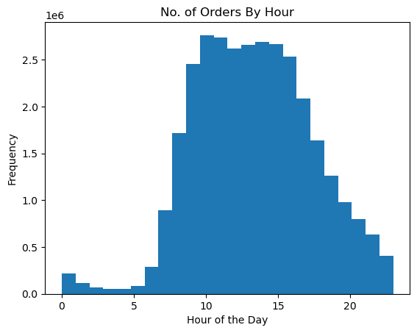
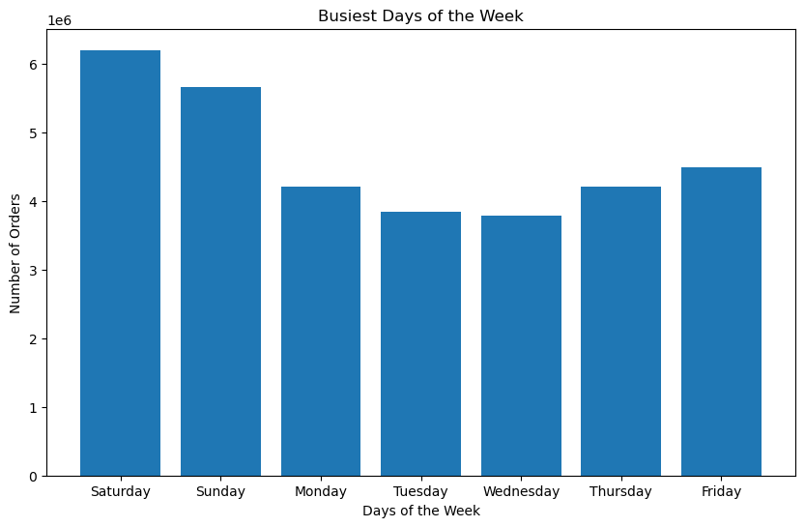
 |  |  |  |  |  |  |  |  | The busiest days of the week are Friday, Saturday, and Sunday. And the buisest hours of the day are 10:00 Am to 3:00 PM. The sales team can schedual ads on Monday, Tuesday, Wednesday and Thursday before 10:00 AM and after 3:00PM in order to boost its sales during the mentioned time intervals.

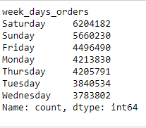

They also want to know whether there are particular times of the day when people spend the most money, as this might inform the type of products they advertise at these times

Hours during the day when people spend the more money

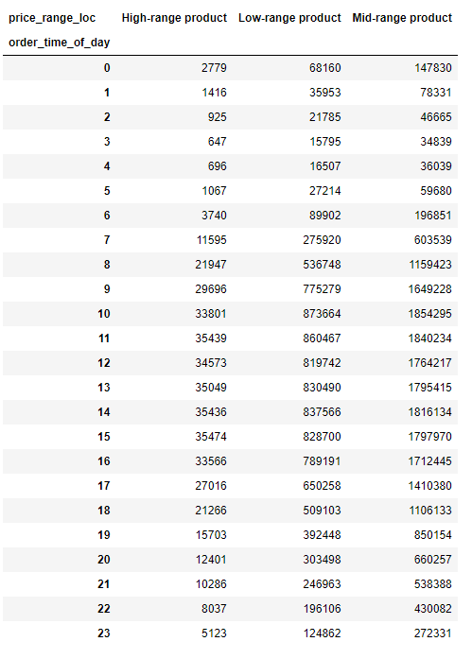
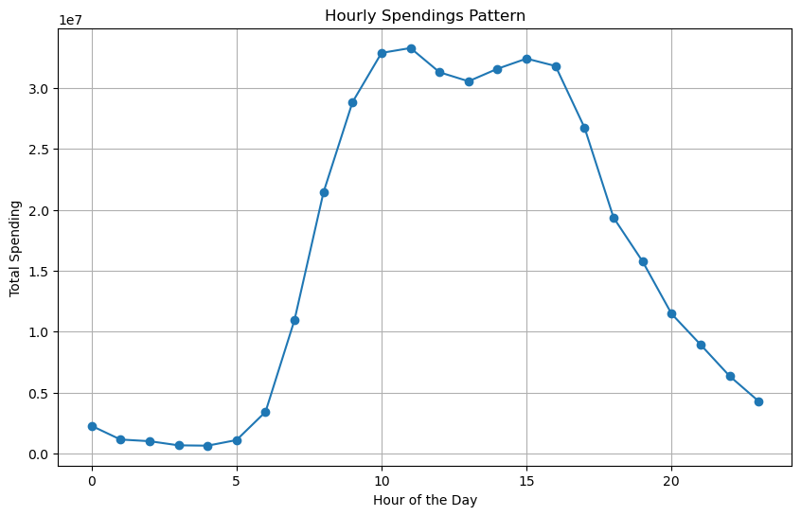

 |  | People spend the most money from 10:00 a.m to 03:00 p.m on purchasing the instacart products. The marketing department of the Instacart is reccommneded to focuss their ads not only on the quieter hours of the day but also during these busy hours too. To increase their sales and sales revenues.

Q3. Instacart has a lot of products with different price tags. Marketing and sales want to use simpler price range groupings to help direct their efforts.

Instacart has a lot of products with different price tags. Marketing and sales want to use simpler price range groupings to help direct their efforts.

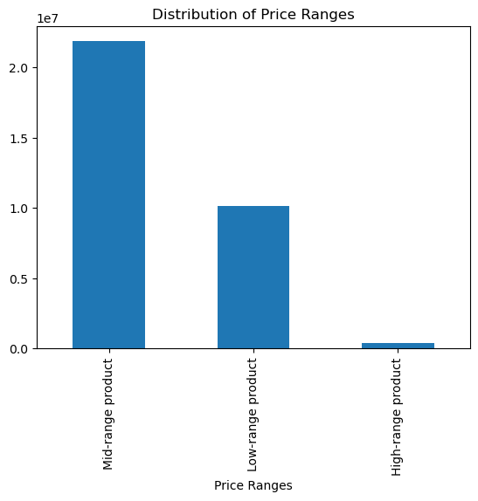
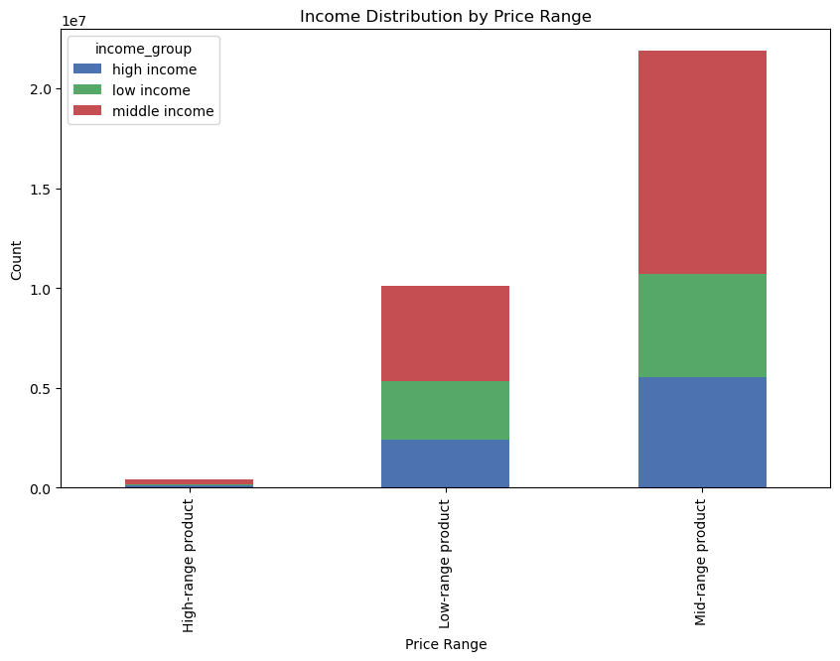

 |  |  |  |  |  |  |  |  | The prices range can be divided into three categories: - Low-range product(price <= $ 5) -Mid-range product (prices > $ 5 )and (prices <= $ 15) -High range product (prices > $15) The distribution of price ranges indicates that the mid-range products take the lead , followed by low-range products and high - range products respectivly. On the other hand the income distribution by price range indicates that the middle income group spends the most on purchasing the mid-range products.

Are there certain types of products that are more popular than others? The marketing and sales teams want to know which departments have the highest frequency of product orders

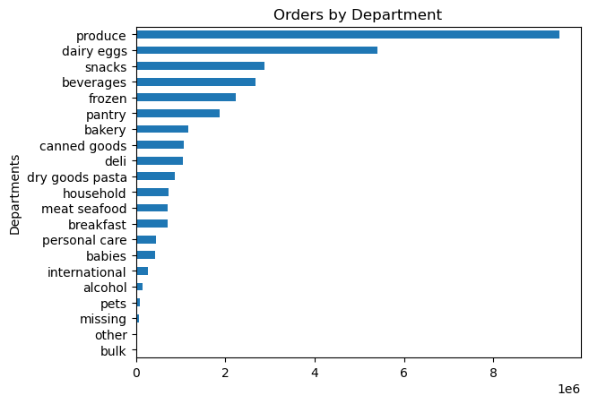

 |  |  |  | Among all the most popular products are from poduce, dairy eggs, snacks, beverages, frozen and pantry. On the other hand the least popular are bulk, pets, alkohol. Two departmnets (missing) and (other) are not defined. The marketing and sales team can develop a targeted marketing strategy to boost their sales in the least popular departments. So as the over all sales revenues are increased.

What’s the distribution among users in regards to their brand loyalty (i.e., how often do they return to Instacart)?

 | Users Distribution - Brand Loyalty |  |  |  |  | Ordering Habits Based on Customer’s Loyalty Status

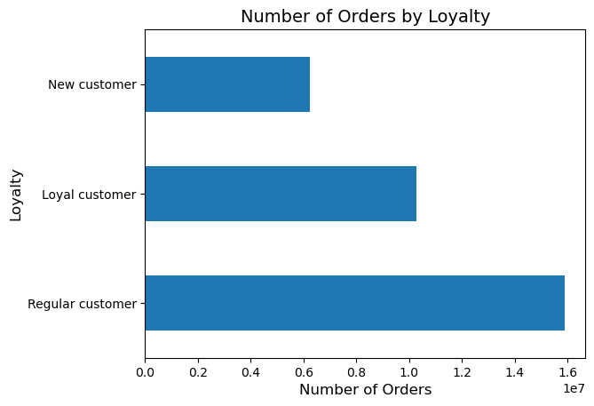
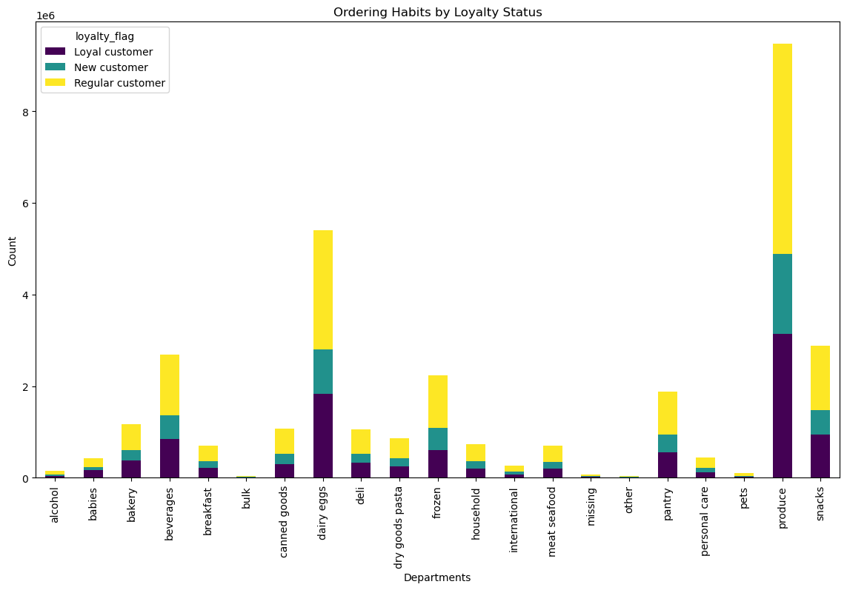

The users distribution in brand loyalty indicates that the Regular customers take the lead followed by loyal customers and the new customers make the smallest portion of the users. A targeted marketing strategy can include special offers, discounts and loyalty programs and rewards for the loyal and regular customers so that the customers are more satisfied and the sales revenues are boosted. In addition to that, to attract new customers, the sales and marketing team should target the new customers and give them discounts and some offers.

Are there differences in ordering habits based on a customer’s loyalty status?

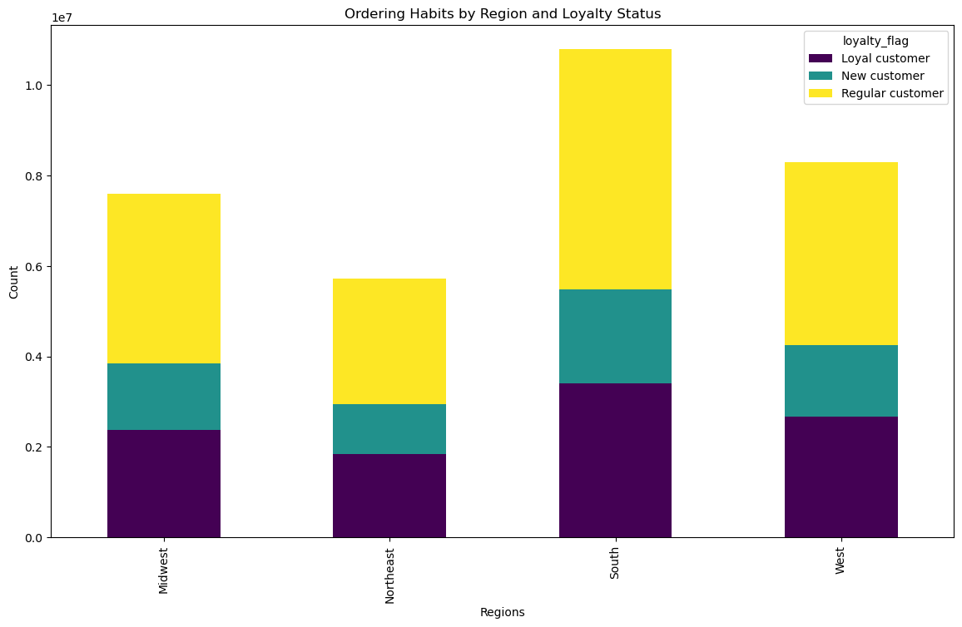
 |  |  |  |  |  |  |  | The users distribution in brand loyalty indicates that the Regular customers take the lead followed by loyal customers and the new customers make the smallest portion of the users. A targeted marketing strategy can include special offers, discounts and loyalty programs and rewards for the loyal and regular customers so that the customers are more satisfied and the sales revenues are boosted.

Ordering Habits Based On a Customer’s Region

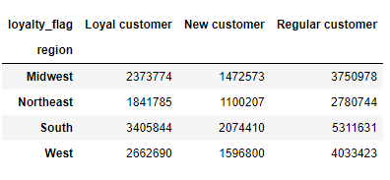

Is there a connection between age and family status in terms of ordering habits?

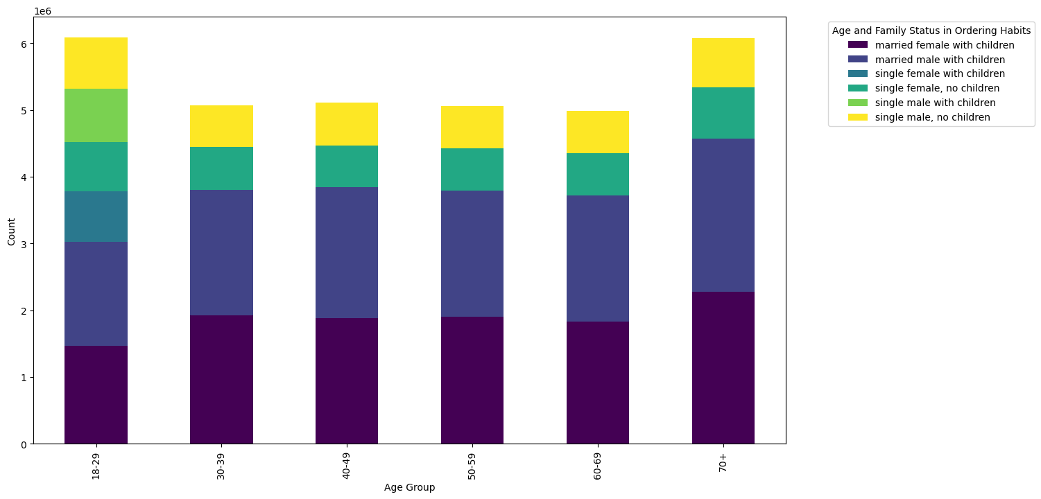

 |  |  |  |  |  |  | The visualization shows that most of the cutomers are married with children . The instacart marketing and sales team can develop a marketing strategy trageting single customers with or without children in order to boost its sales.

Connection between age and spending power (income)


 |  |  | The scatter plot shows a positive correlation between age and the spending power(income). Particularly, when the age is above 40 years, there is a significant increase in the spending power.

7. Recommendations
 |  |  | Title page

Recommendations

Questions |  | Answers/Recommendations
Key Question 1 | The sales team needs to know what the busiest days of the week and hours of the day are (i.e., the days and times with the most orders) in order to schedule ads at times when there are fewer orders. | The busiest days of the week are Friday, Saturday, and Sunday. And the buisest hours of the day are 10:00 Am to 3:00 PM. The sales team can schedual ads on Monday, Tuesday, Wednesday and Thursday before 10:00 AM and after 3:00PM in order to boost its sales during the mentioned time intervals.
Key Question 2 | They also want to know whether there are particular times of the day when people spend the most money, as this might inform the type of products they advertise at these times. | People spend the most money from 10:00 a.m to 03:00 p.m on purchasing the instacart products. The marketing department of the Instacart is reccommneded to focuss their ads not only on the quieter hours of the day but also during these busy hours too. To increase their sales and sales revenues.
Key Question 3 | Instacart has a lot of products with different price tags. Marketing and sales want to use simpler price range groupings to help direct their efforts. | The prices range can be divided into three categories: - Low-range product(price <= $ 5) -Mid-range product (prices > $ 5 )and (prices <= $ 15) -High range product (prices > $15) Among all the mid-range prodcuts take the lead. The sales and marketing department can offer discounts and make more ads for its high range products to increase its sales.
Key Question 4 | Are there certain types of products that are more popular than others? The marketing and sales teams want to know which departments have the highest frequency of product orders. | Among all the most popular products are from poduce, dairy eggs, snacks, beverages, frozen and pantry. On the other hand the least popular are bulk, pets, alkohol. Two departmnets (missing) and (other) are not defined. The marketing and sales team can develop a strategy to boost their sales in the least popular departments. So as the over all sales revenues are increased.
Key Question 5 | 5.1. What’s the distribution among users in regards to their brand loyalty (i.e., how often do they return to Instacart)? 5.2. Are there differences in ordering habits based on a customer’s loyalty status? | The users distribution in brand loyalty indicates that the Regular customers take the lead followed by loyal customers and the new customers make the smallest portion of the users. A targeted marketing strategy can include special offers, discounts and loyalty programs and rewards for the loyal and regular customers so that the customers are more satisfied and the sales revenues are boosted. In addition to that, to attract new customers, the sales and marketing team should target the new customers and give them discounts and some offers.
Key Question 6 | Is there a connection between age and family status in terms of ordering habits? | The visualization shows that most of the cutomers are married with children . The instacart marketing and sales team can develop a marketing strategy trageting single customers with or without children in order to boost its sales.
Key Question 7 | 6. What differences can you find in the ordering habits of different customer profiles? Study of the correlation between age and income | The scatter plot shows a positive correlation between age and the spending power(income). Particularly, when the age is above 40 years, there is a significant increase in the spending power.

